2.1 Comparative NIS-D vs NIS2
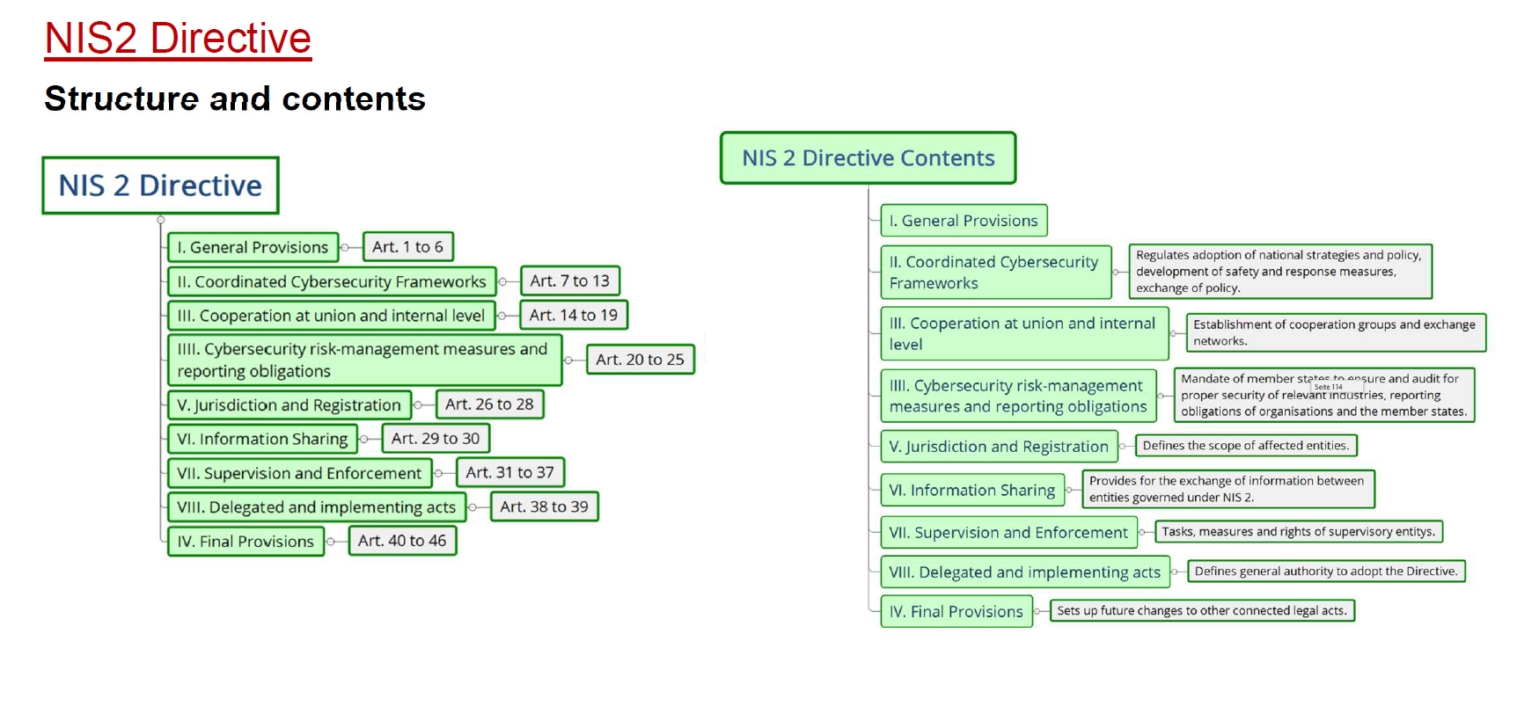
2.1 Comparative Overview: NIS Directive vs. NIS2 Directive at a glance

Purpose: To provide stakeholders with a clear and concise comparison of the NIS and NIS2 Directives, facilitating an understanding of the evolution in EU cybersecurity regulations and the implications for compliance and risk management.

NIS Directive (2016/1148) | NIS 2 Directive (2022/2555) | Key Differences | Comparative Interplay Analysis

Scope and Coverage

NIS Directive (2016/1148) | NIS 2 Directive (2022/2555) | Key Differences | Comparative Interplay Analysis

Focuses on improving the security of network and information systems across the EU. Addresses essential services in specific sectors such as energy, transport, banking, financial market infrastructures, health, water supply and distribution, and digital service providers (DSP) | Expands the range of sectors and types of entities covered to reflect the evolving digital and threat landscape. Covers a broader array of sectors including energy, transport, banking, financial markets infrastructures, health, drinking water, wastewater, digital infrastructure, public administration, and space. | 1. Sector Expansion: NIS2 covers more sectors and includes a wider array of services, reflecting the increasing interconnectedness and digitalisation of various industries. 2. Entity Categorisation: NIS2 distinguishes between essential and important entities, extending obligations to a broader range of service providers. 3. Risk-based Approach: NIS2 adopts a nuanced, risk based approach for determining security measures and reporting requirements. 4. Cross-Border Impact: NIS2 places greater emphasis on managing and reporting incidents with cross-border implications, promoting a more coordinated EU-wide response. 5. Regulatory Scope: NIS2 includes sectors which were not explicitly covered under NIS . | The NIS Directive 2016/1148 laid the groundwork for improving cybersecurity in essential sectors, while NIS2 Directive 2022/2555 significantly expands the scope and coverage to include more sectors, a broader range of entities, and a more detailed, risk-based approach to cybersecurity, reflecting the evolving digital landscape and the need for a more comprehensive and coordinated response to cyber threats.
Primary targets operators of essential services (OES) in the specified sectors. | Includes a wider range of digital service providers and additional essential services. Encompasses both essential and important entities (previously termed operations of essential services (OES) and digital service providers (DPS), categorising them into these two groups.
Requires Member States to identify OES based on criteria such as service dependency, impact of incidents, and market share. | Applies to all entities that provide essential services in the covered sectors, as well as certain digital infrastructure services, such as domain names services, data centers, and content delivery networks. Introduces a risk-based approach to determine the application of security measures and reporting obligations, considering factors such as the entity's size, sector-specific risks, and cross-border impacts.

Security Requirements

NIS Directive (2016/1148) | NIS 2 Directive (2022/2555) | Key Differences | Comparative Interplay Analysis

Requires OES and DSP to take appropriate and proportionate security measures to manage risks to their network and information systems. | Introduces stricter and more detailed cybersecurity risk management measures and reporting obligations. Both essential and important entities must implement comprehensive and detailed risk management measures. Entities are required to adopt measures addressing a wider range of risks, including those stemming from supply chain dependencies and cross-sector interdependencies. | 1. Detailed Security Measures: NIS2 provides more detailed and specific security requirements compared to the general obligations under NIS-D. 2. Broader Risk Management: NIS2 requires entities to consider a broader range of risks, including those related to supply chains and cross-sector dependencies. 3. Stricter Reporting: NIS2 introduces stricter incident reporting requirements, with clear timelines and provisions for public disclosure. 4. Governance Frameworks: NIS2 emphasises the need for robust governance frameworks within entities, including the appointment of liaison officers for cybersecurity. 5. Enhanced Supervisory Powers: NIS2 grants competent authorities stronger supervisory and enforcement powers, including the ability to impose penalties and mandate corrective actions. 6. EU-Level Coordination: NIS2 promotes greater coordination and cooperation at the EU level, including the establishment of new bodies and mechanisms for cross-border collaboration. | The NIS Directive 2016/11498 established foundational security requirements and a basis framework for managing cybersecurity risks in essential services. In contract, NIS2 Directive 2022/2555 significantly enhances these requirements by detailing specific security measures, broadening the scope of risk management, enforcing stricter reporting protocols, emphasising governance, and granting more robust supervisory powers to competent authorities, thereby providing a more comprehensive and coordinated approach to cybersecurity across the EU.
Mandates incident reporting to national authorities or CSIRT of incidents having a significant impact on the continuity of essential services. Focus on measures that ensure a level of security appropriate to the risk presented, including risk analysis, information system security policies, and incident handling. | Entities must implement technical, operational and organisational measures, including risk analysis, information security policies, incident response procedures, business continuity planning, and supply chain security. Emphasis on governance frameworks, including designating a liaison officer for cybersecurity measures.
Each member state must establish national frameworks to ensure compliance, including the designation of competent authorities and CSIRTS. Competent Authorities are empowered to assess compliance through audits, inspections, and requesting information. | More stringent incident reporting requirements, including specific deadlines for incident reporting, within 24 hours for an initial notification, followed by a report within 72 hours, a final report after one month, and provisions for informing the public if necessary. |  | DORA & NIS2: The competent authorities under DORA Regulation (EU) 2022/2554 should also transmit details of major ICT-related incidents and, where relevant, significant cyber threats to the CSIRTs, the competent authorities or the single points of contact under the NIS2 Directive.

Governance and Oversight

NIS Directive (2016/1148) | NIS 2 Directive (2022/2555) | Key Differences | Comparative Interplay Analysis

Member States must designate one or more national competent authorities(Cas) responsible for overseeing the application and enforcement of the Directive and establish a national strategy for the security of network and information systems. CAs are responsible for monitoring compliance, and assessing security measures implemented by OES and DSPs. Entities must report significant incidents to their CA or CSIRT, which ten assesses the impact and coordinates responses. | Strengthens the role of national competent authorities and CSIRTs, ensuring they have adequate resources and capabilities. Enhanced supervisory and enforcement powers such as imposition of penalties. NIS2 requires more stringent incident reporting and promotes greater cross border coordination and cooperation among Member States. | 1. Expanded Governance Scope: NIS2 extends the governance framework to include a wider range of sectors and entities, reflecting the broader scope of the Directive. 2. Critical Entities Resilience Group: NIS2 establishes this new group to enhance EU-level coordination, support, and information sharing, which was not present in the original NIS-D. 3. Enhanced Supervisory and Enforcement Powers: NIS2 grants competent authorities significantly more power to enforce compliance, including on-site inspections, audits, and imposition of penalties. 4. Stricter Reporting and Coordination: NIS2 requires more stringent incident reporting and promotes greater cross-border coordination and cooperation among Member States. | The NIS-D provided a foundational governance and oversight framework for cybersecurity, requiring Member States to designate competent authorities, single point of contact, and CSIRTs to oversee compliance and handle incidents. The NIS2 directive significantly enhances this framework by expanding the scope of competent authorities, establishing the Critical Entities Resilience Group for better EU-level coordination, granting stronger supervisory and enforcement powers, and requiring stricter incident reporting and cross-border coordination, thus ensuring a more robust and comprehensive governance and oversight mechanism for cybersecurity across the EU.
Requires the designation of national competent authorities, Single Points of Contact (SPOC) to ensure cross-border cooperation and coordination with other member states and Computer Security Incident Response Teams (CSIRTS) to handle incidents and risks at a national level. | Enhances the role of the Cooperation Group and introduces a European Cyber Crises Liaison Organisation Network (EU-CyCLONe) for coordinated management of large-scale cybersecurity incidents and crises. |  | CER & NIS2: In order to streamline supervisory activities between the competent authorities under NIS2 Directive and CER Directive (EU) 2022/2557 and in order to minimise the administrative burden for the entities concerned, those competent authorities should endeavour to harmonise incident notification templates and supervisory processes.

Enforcement and Penalties

NIS Directive (2016/1148) | NIS 2 Directive (2022/2555) | Key Differences | Comparative Interplay Analysis

Each Member State must designate one or more national competent authority responsible for the enforcement of the Directive. Cas have the power to conduct audits and inspections to assess compliance of OES and DPSs. Penalties for non-compliance are determined by individual Member States. Each Member State must establish its own rules on penalties, ensuing their are effective, proportionate and dissuasive. Due to the discretion given to Member States, the severity and nature of penalties can vary significantly across the EU. | Competent Authorities are granted broader and more detailed powers to enforce the Directive, including conducting on-site inspections and off-site supervision. Authorities can require critical entities to conduct or undergo regular audits by independent and qualified auditors, with results submitted to the competent authority. Authorities can mandate corrective measures within specified timeframes and require entities to report on the implementation of these measures. | 1. Scope and Detail of Enforcement Powers: NIS2 significantly enhances and specifies the enforcement powers of Cas, including the ability to conduct more rigorous audits and inspections, mandate corrective actions, and impose stringent penalties. 2. Harmonisation of Penalties: Unlike the NIS-D, which leaves penalty determination to Member States, NIS2 provides a more harmonised and detailed framework for penalties, reducing variability across the EU. 3. Severity of Penalties: NIS2 introduces potentially severe financial penalties, similar to those under GDPR, whereas NIS-D provided less specific guidance on the nature and extent of penalties. 4. Accountability and Transparency: NIS2 promotes greater accountability and transparency by requiring detailed reporting and documentation of compliance efforts and enforcement actions. | The NIS-D provided a foundational framework for enforcement and penalties, granting national competent authorities the power to conduct audits, issue binding instructions, and determine penalties at their discretion. The NIS2 Directive significantly strengthens this framework by granting enhanced supervisory powers, introducing harmonised and detailed penalty framework, and specifying sever financial penalties for non-compliance, thus ensuring more robust and consistent enforcement across the EU.
Competent Authorities can issue binding instructions and require entities to implement specific measures or remedy deficiencies identified during audits or inspections, but enforcement powers are somewhat limited. | NIS2 introduces a more harmonised framework for penalties across the UE, specifying the penalties must be effective, proportionate, and dissuasive and providing guidance on the types of penalties that may be applied. For essential and important entities, NIS2 includes provisions for significant fines similar to does under the GDPR, with maximum fines potential reaching millions of euros or a percentage of the entity's global turnover. NIS2 details specific penalties for non-compliance, including failure to implement security measures, failure to report incidents, and obstruction of supervisory activities.

5.1 IT Compliance
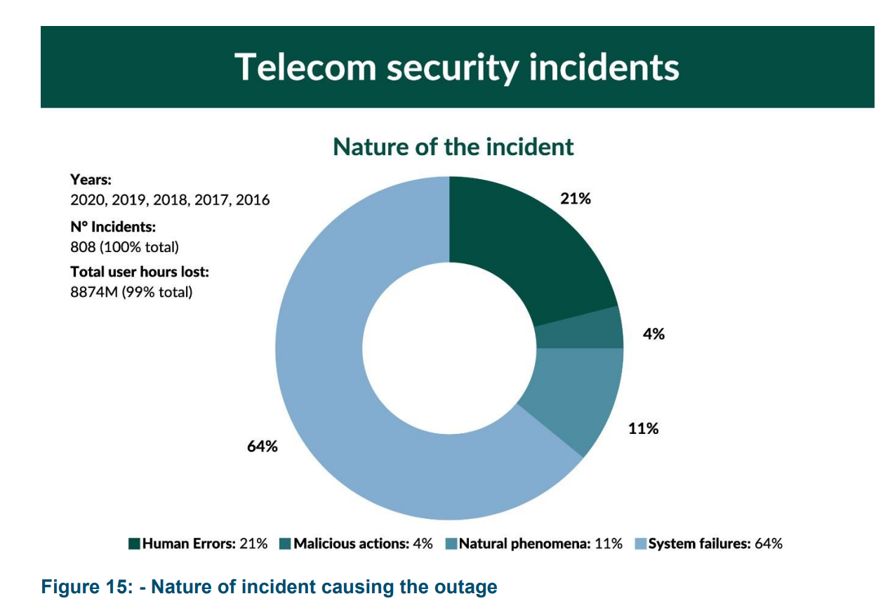
5.1 IT Compliance Checklist

1 | Access Control Management | Effective access control management is essential for safeguarding sensitive data against unauthorized disclosure or alteration. Key components of access control include defining user privileges based on job roles and implementing robust authentication methods such as: - Multi-Factor Authentication - Regular Review of User Access Rights - Timely Revocation of Access Upon Termination
2 | Network Security | A robust network security framework is crucial protecting confidential business information from potential threats. An IT security compliance checklist include the following items: - Secure Network Architecture Design - Firewall Configuration Assessments - Evaluation of Intrusion Detection Systems (IDS) or Intrusion Prevention Systems (IPS) - Regular Vulnerability Assessments - Secure Remote Access Protocols (ex. Virtual Private Network (VPN))
3 | Data Encryption & Protection | Given that data is a critical asset for organisations, prioritising its protectoin is paramount. An IT compliance checklist should encompass measures such as: - Data Encryption - Secure Transmission Protocols - Regular Backup Procedures - Secure Storage Solutions These measures help mitigate the risks of data loss or theft.
4 | Incident Response Plan | Despite robust security measures are, incidents can still occur. A well-defined incident response plan is essential for minimising damage and swiftly restoring normal operations. An effective IT compliance checklist includes components like: - Incident Detection - Notification Processes - Incident Documentation - Timely Resolution - Post-Incident Analysis These actions aid in preventing future occurrences.
5 | Employee Training & Awareness | Employees play a significant role in maintaining IT security compliance within an organisation. Regular cybersecurity awareness training sessions on cybersecurity awareness are essential to educate employees about potential threats such as: - Phishing Attacks - Social Engineering Techniques - Safe Browsing Practices An optimal IT compliance checklist stresses the importance of ongoing employee education to foster a culture of security awareness.

5.1 Other Security Measures

1 | Right to Audit | Right to audit should be included in contractual arrangements with suppliers. Audits should be carried out either by the provider themselves, or an independent third party.
 |  | Any audit or review should be carried out by technically competent people who understand electronic communications networks or IT systems.
 |  | The provider’s security team should be involved in the establishment of the test requirements as well as reviewing the results.
 |  | The purpose of the audits and testing is to enable to provider to ensure that the data accessed or held by the supplier is as secure as it would be if it were held on the providers own network.
 |  | The audit should examine the appropriateness or otherwise of the contractual agreements between the provider and the supplier.
 |  | Providers should know their obligations regarding privacy and data protection under EU and Irish law and reflect these obligations in their contracts
 |  | Regular audit and certification can be used by a supplier to demonstrate to multiple clients that they are meeting the security requirements set out as part of contractual arrangements.
 |  | Retaining a level of in-house expertise for critical network functions, in the event of a failure of a critical supplier, should be considered.
2 | Supply Chain Integrity | Diversity, Resilience and Continuity The continuous availability of electronic communications networks and services is a complex task and requires the management of risks associated with severe climatic events, physical security, cyber security, power supply security, hardware failure, hardware interoperability, human error, loss of skilled employees, supply chain assurance, life cycle management etc. The interconnection and interdependence of networks can lead to incidents in one network impacting operations in other networks both within the same country and crossing borders to other countries.
 |  | Dependency on a single supplier within an individual network was highlighted as one of the risks in both the EU Risk Assessment and the National Risk Assessment.
 |  | Providers need to take these factors into account when selecting suppliers and take measures to avoid dependency on a single supplier, particularly in the case of suppliers considered high risk using the criteria outlined in SMG 009 – Supply Chain Security.
3 | Diversification Strategy | Have an appropriate multi-vendor strategy taking into account technical constraints and interoperability issues. The objective of this measure is to avoid a major dependency on a single supplier or suppliers considered as high risk.
 |  | Regulation 12(1)b requires that providers produce a Diversification Strategy whereby they describe their approach to network development and procurement for their critical suppliers of network equipment.
 |  | This document should contain a risk assessment, in line with SMG 002, on the risks associated with their chosen supplier strategy.
 |  | It should in particular examine if the provider is susceptible to the risks associated with dependency on an individual supplier
 |  | It should also outline the mitigation measures the provider has implemented to manage the identified risks. It should also describe how the strategy will be implemented in practice, taking into account interoperability of equipment and changes to the existing network. Reviewable by Regulator.
 |  | Introducing equipment from multiple vendors into a single network carries increased overheads for a provider in terms of skills, management tools, responsibility for interoperability between vendors, etc. However, these challenges can be offset to some extent by providers’ avoidance of vendor lock in and the cost reductions brought about through sustaining a more competitive and diverse vendor eco-system.
4 | Diversification Options | Multi-vendor Strategy: A multi-vendor strategy involves having multiple suppliers for a provider’s network equipment. There are various approaches that a provider can take towards a multi-vendor strategy, which are briefly outlined.
 |  | Horizontal diversity refers to the selection of multiple vendors within a specific layer of the network. For example, a telecommunications provider could choose to deploy at least 2 network equipment vendors in the RAN, core, aggregation, and transport layers. This approach would ensure that the provider is not dependent on an individual supplier for any layer of the network. From a technical perspective, such a strategy is likely more feasible in certain layers, such as the RAN and less feasible in other areas, such the core.
 |  | Vertical diversity refers to the selection of different vendors between specific layers of the network. For example, a telecommunications provider could choose to deploy different network equipment vendors in each layer of the network, such as a different vendor for the RAN, core, aggregation, and transport layers. This approach means that a provider has a relationship with multiple vendors reducing some of the risks associated with dependency on a single supplier; however, the provider may still be dependent on a single supplier for particular layers of the network and would need to take further measures to mitigate this risk. Standards, such as those produced by 3GPP, generally ensure that interoperability between network layers is technically feasible.
 |  | Geographic Diversity: This refers to the selection of different vendors for deployment in different geographic areas. For example, a provider could choose one vendor for certain regions, whilst selecting a different vendor in other regions. This strategy reduces some of the risks associated with a single vendor; however, it still means that certain parts of the network will be reliant on an individual supplier, somewhat negating the benefit. The geographic and population distribution in Ireland make the feasibility of implementing this strategy somewhat challenging.
 |  | Generational Diversity: This refers to the selection of different vendors for different generations of technology. For example, an provider could select different vendors between generations of networks such as 2G, 3G, 4G and 5G. This scenario offers the advantage of having a “fall-back” should a systemic vulnerability affect a supplier of one of the generations of equipment. However, certain services may cease to function due to the reduced capabilities of previous generations. This approach may face certain interoperability challenges, such as between 4G and 5G RAN equipment, but may be feasible in other areas
 |  | Open Network initiatives: Increased network interoperability has become an important topic within the electronic communications industry and is seen as an important aspect of an effective diversification of electronic communications networks. Increased interoperability has the potential to counter vendor lock-in by reducing the risk and cost associated with adding new suppliers’ equipment to networks. Currently, most network equipment within specific network layers is based on proprietary specifications which can lead to considerable supplier lock-in. Interoperability has the potential to increase network diversification by enabling providers to select multiple vendors within network layers with the assurance that doing so would not negatively affect performance, efficiency, and the end user experience. Open RAN is the movement to disaggregate hardware and software of the Radio Access Network and to create open interfaces between them. This would mean that suppliers could develop interoperable
5 | Additional Mitigation Measures | Such measures should be documented in the provider’s Diversification Strategy and could include, but are not limited to: • Retaining sufficient expertise in-house to reduce the dependency on a supplier to maintain and operate the network • Strictly implementing all measures outlined in SMG 008, in particular conducting detailed vendor assessments during procurement and ongoing supplier management. • Strong contractual arrangements with agreed SLAs and enforcement and remedy clauses in the event of underperformance by the supplier. • Providers should maintain an appropriate stock of spare parts and components to maintain the network in the event of a supplier failure.
 | Resilience and Continuity | Business Continuity Plan (“BCP”): The BCP is a key measure towards achieving resilience in an organisation. It should contain a series of measures to sustain an organisation’s activity during a disruption. The ability of an organisation to recover from a disaster is directly related to the degree of business continuity planning that has taken place before the disaster.
 |  | BCPs should also be communicated to all relevant personnel and should be tested in training exercises.
 |  | Business Continuity Management System (BCMS) should include the following: • Full support at Board level for the BCMS by ensuring that it is compatible with the strategic direction of the organisation, integrated into business-as-usual processes and communicated effectively throughout the organisation. • Clear identification of the scope and context of the BCMS taking into account the organisation’s appetite for risk. • Assignment of responsibility for the various elements and phases of a BCMS throughout the organisation. • Employees trained appropriately to understand and implement the BCP measures and oversee the recovery to normal operation after the event. • A clear view of the measurable objectives of the BCP, including the minimum level of service that the organisation expects the plan to deliver. • Redundancy for elements that underpin each objective of the BCP taking into consideration that more than one element might fail in a given event. • Documented procedures to restore and return to normal operation.

